Instructions
Basic Instructions
Important!!
This section will be updated in an upcoming version. For now, you can find a PPT on the DYB DropBox that will show you the important details about using this file.
It can be found at:
/ DYB Choisun Education Group / 1 - Elementary / 4 - Speaking Evaluations / Spreadsheet Instructions (for v4.1.0).pptx
View:
Instructions
You are STRONGLY recommended to SAVE and QUIT any work you are currently doing in PowerPoint. While this program is designed to only modify specific target files, there is always the chance of unexpected behaviour resulting in lose of work.

Important Files
Most of these will be automatically downloaded in the background and placed into the Resources folder. The only requirement being connected to the internet the first time you... a) ...open this file,
b) ...try to create reports (or proofs),
c) ...try to create winner certificates.
The only one that isn't downloaded is the mySignature template. You can download it by clicking the button to the left, and instructions on what to do with it are found on the Options sheet.
Downloads & Seeing the Code
The code embedded in this file is password-protected in order to avoid any accidental changes. However, you are more than welcome to see the code in case you are curious. I have also included some comments (admittedly, these are in a rather poor state and mostly missing now due to major retooling of the code to improve performance and add new features) in order to help those unfamiliar with programming to understand what is happening and why. (Fair warning, I am self-taught and much of the code could definitely be improved / beautified.)
Click on one of the buttons below to either download the file or visit the website:
View:
Source Code
Download:
mySignature Template
Download:
Report Template
Download:
Latest Spreadsheet
Download:
Required Fonts

Planned Improvements & Bug Reporting
Version: 4.2.3
General Planned Improvements:
- Class sub-folders for each semester to make it easier to track student progress through the year
- Exporting/importing names to/from various class roster templates
- General code and speed improvements
Reporting Bugs: (Feature requests also welcome.)
If you discover what you suspect to be a bug, I am happy to try to fix it. To make reproducing the error easier, please write a message (a Word or txt file) letting me know what you were doing before encountering the problem. Then, add both that file and your current copy of this spreadsheet into a zip file. You can either ask your team leader to send it to me via Kakao Talk, or you can email it to me at dyb.warrenfeltmate@gmail.com.
Please also include the following details:
- OS & Version (e.g. Windows 11 or MacOS 14.7.3)
- MS Office version (e.g. Microsoft 365 or Office 2016)
- Do you use cloud storage (e.g. OneDrive, iCloud, Google Drive)? If so, which?
- Where did you save this file? (Please send the complete path.)
- Was the Resources folder successfully created? If so, what files are present in it?
- What button did you click, if any?
- What error message, if any, was displayed?
- Did you install SpeakingEvals.scpt (MacOS only)?
- Can you type in Korean on your keyboard?

Options
Creating Your Signature
Signature
Advanced
Creating Your Signature:
Option 1: Create a digital signature at to www.signwell.com/online-signature (It's free.)
Save and download it with a transparent backgound.
Option 2: Download a copy of the mySignature.png template by clicking the button on the
Instructions sheet.
Open it on your smartphone, tablet, or other touchscreen device and sign your signature,
filling as much of the white space as possible.
Save the file and send/download a copy to your computer.
Note: Save a copy somewhere safe so that you can easily import it again to newer versions of this file.
Embedding Your Signature in This File:
1) Click on the "Import Signature" button and browse to where you have saved your signature.
2) After clicking "Okay", it should automatically appear and the green "Signature Embedded" button should be display.
3) If you see the grey "Signature Missing" button, simply click on it for it to toggle to the green "Signature Embedded" button.
Creating New Class Sheets and Importing from an Existing File:
1) Click on "Create New Class Sheet" to create a new, empty class sheet. You can then right-click on the new (or any class) tab to rename it and/or change the tab's color. (Older versions of Excel may pester your about existing ranges of colors. Simply click yes to each. I'll see if this can be automated in a future update.)
2) To import class data from a previous file, click on the import button and select the previous version of this file you wish to import the data from. Be careful! This will overwrite any and all existing data on any worksheets(tabs) in this file that share the same name as the ones in the file you have selected!
Default
31 Dec 2025
31 Dec. 2025 | Microsoft Office Version | Microsoft 365
Dec 31, 2025 | Comment Font Style | Standard Font
Signature Missing
Import
Signature
Dec. 31, 2025 | Open Save Location When Done | Yes
Reset Signature Size
2025 Dec 31 | Preferred Date Formatting | Default
2025 Dec. 31 | Show Data Entry Tips | Yes
31 Dec | Hide Initial Warning Message | Yes
31 Dec. | Enable DEBUG and LOGGING | Yes
Dec 31 | Enable Text Autocomplete | Yes
Dec. 31 | Required Fonts Installed
Dec 2025 | 7zip Support Enabled
Repair All Sheets
Create New
Class Sheet
Import from Previous File
Dec. 2025

Options & Preview
Winner Certificates
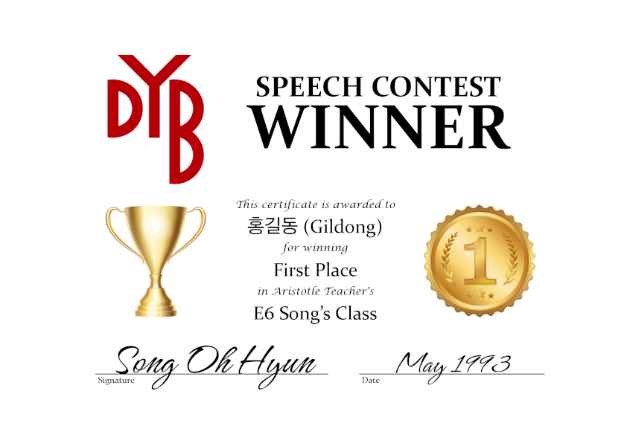
Using the options on the right, you can customize the design and appearance of the winner certificates, and any changes you make will be immediately reflected
in the preview. The certificates will be saved as .pdf files in a separate subfolder
in each class's folder.
Presently, there is only support for a landscape layout and default design, but support for more can easily be added, and suggestions and/or submissions are more than welcome.
If printing to a nice paper stock that already has a border on it, you should choose disabled for the border option. If printing to blank paper or simply providing the .pdf files, there are presently two options for border styles, each with a default border color. You can also choose to set a custom color, using an RGB hexcode.
Note: The final dimensions of the generated certificates will be slightly different from what is displayed in the preview.
 | Type: | Speech Contest
 | Layout: | Landscape
 | Design: | Default
 | Border: | Disabled
 | Border Color: | Default
 | Color Code: | #000000

MonWed
Generate Reports
Generate Proofs
Generate Certificates
Auto-Select Winners
Native Teacher: |  |  | S/V Agreement Verb Tenses Pronouns Prepositions Articles Plurals Correct Vocab. Use Sentence structure | Use of Konglish Clarity / Mumbling Difficult Vocabulary | Flow Varying Intonation Speaking Pace Pauses | Volume Eye contact Energy Tone / Emotion Posture Body Language Gestures | Details Reasons Examples Organization Logic / Relevance Level of Vocab. | General Effort Prepared Memorization Visual Aids |  | Class Winners
Korean Teacher: |  |  |  |  |  |  |  |  |  | First Place:
Level: |  |  |  |  |  |  |  |  |  | Second Place:
Class Days: |  |  |  |  |  |  |  |  |  | Third Place:
Repair Layout
Korean Typing Site
(Class 1) Time:
Evaluation Date: |  | February 2026
# | English Name | Korean Name | Grammar | Pronunciation | Fluency | Manner | Content | Overall Effort | Comments (Positive - Negative - Positive) | Notes
1
2
3
4
5
6
7
8
9
10
11
12
13
14
15
16
17
18
19
20
21
22
23
24
25

MonFri
Generate Reports
Generate Proofs
Generate Certificates
Auto-Select Winners
Native Teacher: |  |  | S/V Agreement Verb Tenses Pronouns Prepositions Articles Plurals Correct Vocab. Use Sentence structure | Use of Konglish Clarity / Mumbling Difficult Vocabulary | Flow Varying Intonation Speaking Pace Pauses | Volume Eye contact Energy Tone / Emotion Posture Body Language Gestures | Details Reasons Examples Organization Logic / Relevance Level of Vocab. | General Effort Prepared Memorization Visual Aids |  | Class Winners
Korean Teacher: |  |  |  |  |  |  |  |  |  | First Place:
Level: |  |  |  |  |  |  |  |  |  | Second Place:
Class Days: |  |  |  |  |  |  |  |  |  | Third Place:
Repair Layout
Korean Typing Site
(Class 1) Time:
Evaluation Date: |  | February 2026
# | English Name | Korean Name | Grammar | Pronunciation | Fluency | Manner | Content | Overall Effort | Comments (Positive - Negative - Positive) | Notes
1
2
3
4
5
6
7
8
9
10
11
12
13
14
15
16
17
18
19
20
21
22
23
24
25

WedFri
Generate Reports
Generate Proofs
Generate Certificates
Auto-Select Winners
Native Teacher: |  |  | S/V Agreement Verb Tenses Pronouns Prepositions Articles Plurals Correct Vocab. Use Sentence structure | Use of Konglish Clarity / Mumbling Difficult Vocabulary | Flow Varying Intonation Speaking Pace Pauses | Volume Eye contact Energy Tone / Emotion Posture Body Language Gestures | Details Reasons Examples Organization Logic / Relevance Level of Vocab. | General Effort Prepared Memorization Visual Aids |  | Class Winners
Korean Teacher: |  |  |  |  |  |  |  |  |  | First Place:
Level: |  |  |  |  |  |  |  |  |  | Second Place:
Class Days: |  |  |  |  |  |  |  |  |  | Third Place:
Repair Layout
Korean Typing Site
(Class 1) Time:
Evaluation Date: |  | February 2026
# | English Name | Korean Name | Grammar | Pronunciation | Fluency | Manner | Content | Overall Effort | Comments (Positive - Negative - Positive) | Notes
1
2
3
4
5
6
7
8
9
10
11
12
13
14
15
16
17
18
19
20
21
22
23
24
25

TTh 1
Generate Reports
Generate Proofs
Generate Certificates
Auto-Select Winners
Native Teacher: |  |  | S/V Agreement Verb Tenses Pronouns Prepositions Articles Plurals Correct Vocab. Use Sentence structure | Use of Konglish Clarity / Mumbling Difficult Vocabulary | Flow Varying Intonation Speaking Pace Pauses | Volume Eye contact Energy Tone / Emotion Posture Body Language Gestures | Details Reasons Examples Organization Logic / Relevance Level of Vocab. | General Effort Prepared Memorization Visual Aids |  | Class Winners
Korean Teacher: |  |  |  |  |  |  |  |  |  | First Place:
Level: |  |  |  |  |  |  |  |  |  | Second Place:
Class Days: |  |  |  |  |  |  |  |  |  | Third Place:
Repair Layout
Korean Typing Site
(Class 1) Time:
Evaluation Date: |  | February 2026
# | English Name | Korean Name | Grammar | Pronunciation | Fluency | Manner | Content | Overall Effort | Comments (Positive - Negative - Positive) | Notes
1
2
3
4
5
6
7
8
9
10
11
12
13
14
15
16
17
18
19
20
21
22
23
24
25

TTh 2
Generate Reports
Generate Proofs
Generate Certificates
Auto-Select Winners
Native Teacher: |  |  | S/V Agreement Verb Tenses Pronouns Prepositions Articles Plurals Correct Vocab. Use Sentence structure | Use of Konglish Clarity / Mumbling Difficult Vocabulary | Flow Varying Intonation Speaking Pace Pauses | Volume Eye contact Energy Tone / Emotion Posture Body Language Gestures | Details Reasons Examples Organization Logic / Relevance Level of Vocab. | General Effort Prepared Memorization Visual Aids |  | Class Winners
Korean Teacher: |  |  |  |  |  |  |  |  |  | First Place:
Level: |  |  |  |  |  |  |  |  |  | Second Place:
Class Days: |  |  |  |  |  |  |  |  |  | Third Place:
Repair Layout
Korean Typing Site
(Class 1) Time:
Evaluation Date: |  | February 2026
# | English Name | Korean Name | Grammar | Pronunciation | Fluency | Manner | Content | Overall Effort | Comments (Positive - Negative - Positive) | Notes
1
2
3
4
5
6
7
8
9
10
11
12
13
14
15
16
17
18
19
20
21
22
23
24
25

TTh 3
Generate Reports
Generate Proofs
Generate Certificates
Auto-Select Winners
Native Teacher: |  |  | S/V Agreement Verb Tenses Pronouns Prepositions Articles Plurals Correct Vocab. Use Sentence structure | Use of Konglish Clarity / Mumbling Difficult Vocabulary | Flow Varying Intonation Speaking Pace Pauses | Volume Eye contact Energy Tone / Emotion Posture Body Language Gestures | Details Reasons Examples Organization Logic / Relevance Level of Vocab. | General Effort Prepared Memorization Visual Aids |  | Class Winners
Korean Teacher: |  |  |  |  |  |  |  |  |  | First Place:
Level: |  |  |  |  |  |  |  |  |  | Second Place:
Class Days: |  |  |  |  |  |  |  |  |  | Third Place:
Repair Layout
Korean Typing Site
(Class 1) Time:
Evaluation Date: |  | February 2026
# | English Name | Korean Name | Grammar | Pronunciation | Fluency | Manner | Content | Overall Effort | Comments (Positive - Negative - Positive) | Notes
1
2
3
4
5
6
7
8
9
10
11
12
13
14
15
16
17
18
19
20
21
22
23
24
25

